About Databook


ESG Databook 2025
Reporting period: January 1 - December 31, 2025

Выберите язык / Choose language
English

About ESG Databook

Directory

E | 1 | Environment
 | Data on waste, air emissions, water consumption, biodiversity, land use and environmental investments/fines
 | 2 | Climate change and energy
 | Greenhouse gas emissions data (Scope 1, 2 and 3) and energy consumption
S | 3 | Safety
 | Data on key occupational health and safety indicators, cases of occupational diseases, occupational health and safety training, contractor indicators and fines
 | 4 | Our people
 | Data on staff composition, employment, turnover, type of employment contract, type of employment, breakdown by age group, staff training, compensation, hiring from the local community, proportion of internal hiring
 | 5 | Socioeconomic development
 | Data on key production indicators, distribution of economic value, share of purchases from local suppliers
 | 6 | Communities
 | Data on social investments and community engagement metrics
G | 7 | Corporate governance and ethics
 | Data on the composition and independence of the Board of Directors, independence of the committees of the Board of Directors, gender composition, age, length of service, balance of qualifications, business ethics indicators
 | 8 | Data across projects
 | 9 | GRI index
 | 10 | SASB index
 | 11 | Reporting perimeter
 | 12 | Materiality matrix
 | 13 | ICMI

About ESG Databook 2025

The ESG Databook discloses key quantitative indicators in the field of sustainable development of Altynalmas for the 2025 reporting year, as well as provides, where possible, historical data and performance trends based on consolidated social, environmental, and economic data.
This document complements the information presented in our annual Sustainability Report and includes data that cannot be presented in the Report due to volume constraints. Additional data can be provided upon request.
The data is presented using the metric system and Kazakhstani tenge, unless otherwise indicated. Some figures and percentages may be rounded and may not sum to the total figure or 100%.
ESG Databook is published on an annual basis.
Changes in data and restatements may occur throughout the year due to improvements in reporting or collection methods and will be noted with an explanation of the recalculation.
Starting from the 2025 reporting year, the ESG data consolidation boundaries were expanded to include JSC "Maikainzoloto". All 2025 figures marked with an asterisk (*) include data related to JSC “Maikainzoloto”. Figures without an asterisk (*) are presented excluding this entity.

In preparing this ESG Databook, we adhered to internationally recognized principles and reporting standards, ensuring the high quality, transparency, and comparability of the information presented.
The non-financial data in the ESG Databook has been prepared with reference to the Global Reporting Initiative (GRI, 2021 edition), as well as the recommendations of the Metals & Mining Sustainability Accounting Standard published by the Sustainability Accounting Standards Board (SASB) .
To confirm the accuracy and reliability of the sustainability-related information, we engaged Ernst & Young Advisory LLP to provide external assurance of the non-financial data disclosed in Databook.

For more information on our reporting methodology, see our 2025 Sustainability Report.
For a full set of financial and production data, see our 2025 Annual Report and Audited Consolidated Financial Statements for 2025.
https://kase.kz/en/issuers/ALMS/#g3y0

If you have any questions or feedback about our sustainability data, our sustainability report, or any other related disclosures, please write to us at timur.mursalimov@altynalmas.kz

Publication date: May, 2026

 |  | Русский
 |  | English

External Assurance
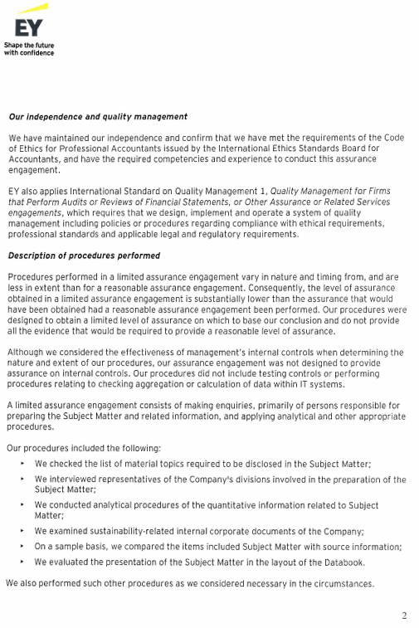
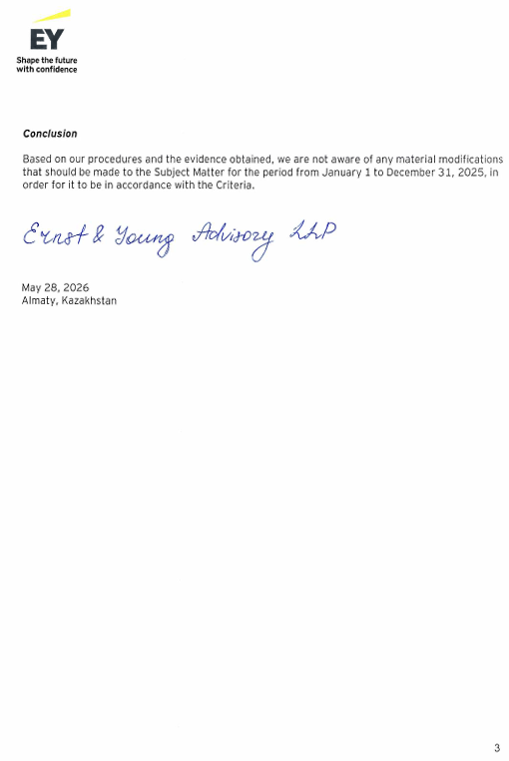
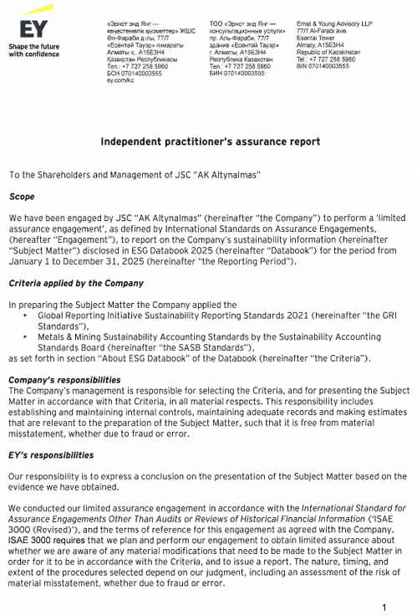
Independent practitioner's assurance report

Material topics
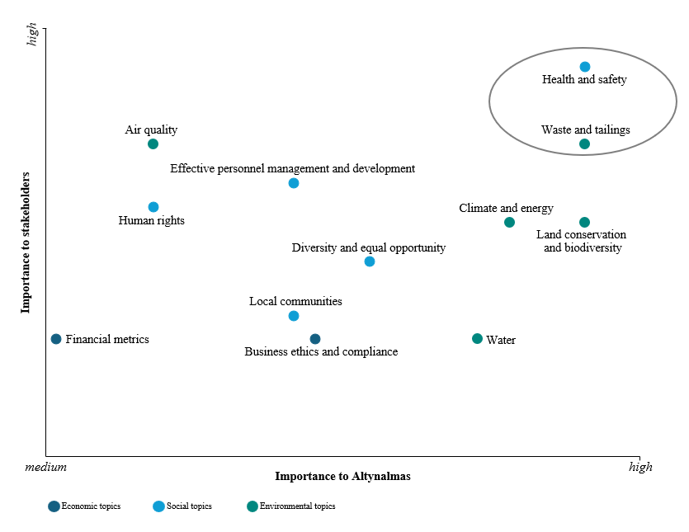
Materiality matrix
AK Altynalmas JSC

In 2025, a materiality analysis in the field of sustainable development for 2024 was conducted, within which quantitative indicators for 12 material topics were identified and disclosed.

Economic topics
1 | Financial metrics
2 | Business ethics and compliance
Social topics
3 | Health and safety
4 | Effective personnel management and development
5 | Human rights
6 | Diversity and equal opportunities
7 | Local communities
Environmental topics
8 | Waste and tailings
9 | Land conservation and biodiversity
10 | Climate and energy
11 | Air quality
12 | Water

